Sheet1
Mouse | AM | PM | Treatment | Notes
1 | 1.07E+08 | 1.05E+08 | Melittin and Tobramycin
2 | 9.16E+07 | 3.13E+07 | Melittin and Tobramycin
3 | 9.88E+07 | 6.51E+07 | Melittin and Tobramycin
4 | 1.49E+08 | 1.38E+05 | Melittin and Tobramycin
5 | 7.19E+07 | 4.65E+07 | Melittin and Tobramycin
6 | 9.18E+07 | 1.56E+08 | Melittin
7 | 8.75E+07 | 1.78E+05 | Melittin
8 | 5.87E+08 | 8.63E+07 | Melittin | Over-Sized wound
9 | 1.04E+08 | 9.74E+07 | Melittin
10 | 7.94E+07 | 8.17E+07 | Melittin
11 | 1.05E+08 | Exclude | No R01 to compare bacteria moved out from other the splint
12 | 8.78E+07 | 1.92E+07 | Tobramycin and Triclosan
13 | 1.50E+08 | 3.26E+07 | Tobramycin and Triclosan
14 | 9.09E+07 | 3.95E+07 | Tobramycin and Triclosan
15 | 5.87E+07 | Exclude | Wound too large no RO1 to compare | Died 7/26 @ 5PM (sac. Was mobi-bound)
16 | 1.23E+08 | 1.62E+08 | Triclosan
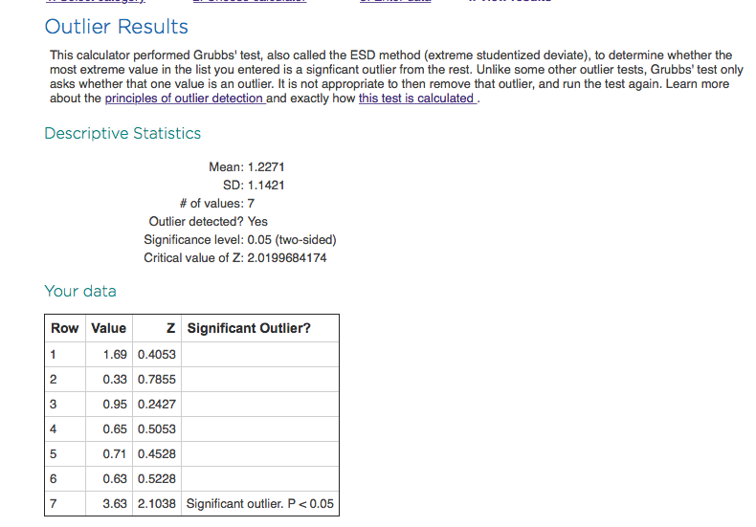
17 | 1.32E+08 | 4.17E+07 | Tobramycin
18 | 1.00E+08 | 1.68E+07 | Tobramycin
19 | 8.68E+07 | 1.07E+08 | Tobramycin |  |  | AM#22 | PM#22
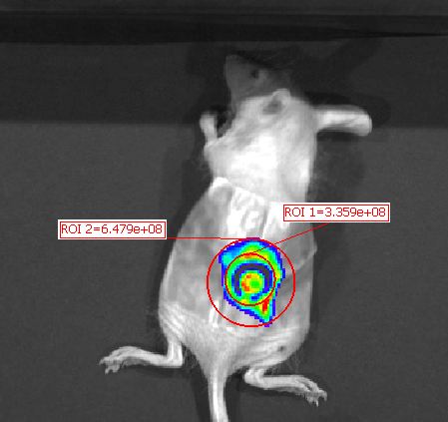
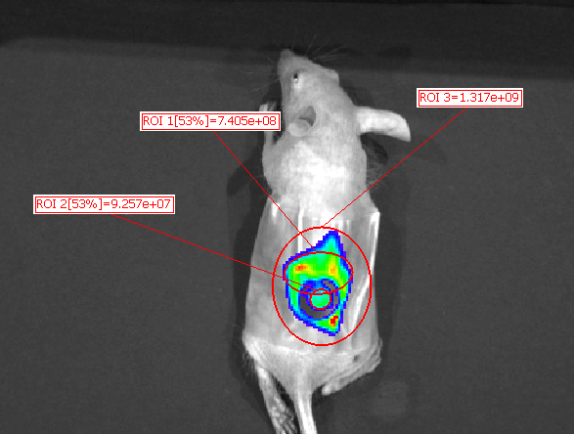
20 | 1.04E+08 | 1.02E+08 | Tobramycin
21 | 7.10E+07 | 9.98E+07 | No Treatment
22 | 3.36E+08 | 9.26E+07 | No Treatment | Biofilm spread out and moved up away from the wound
23 | 8.06E+07 | 1.28E+08 | No Treatment | Grubb's outlier test performed and found to be sig. outlier P<0.05
24 | 7.11E+07 | 1.46E+08 | Triclosan
25 | 9.46E+07 | 1.84E+08 | Triclosan

 | No Treatment | Triclosan | Tobramycin | Triclosan and Tobramycin | Melittin | Melittin and Tobramycin
 | 0.71 | 0.76 | 3.17 | 4.57 | 5.90E-01 | 1.02E+00
 | 0.63 | 0.49 | 5.94 | 4.60 | 4.93E+02 | 2.92E+00
 |  | 0.51 | 0.81 | 2.30 | 6.80E+00 | 1.52E+00
 |  |  | 1.02 |  | 1.07E+00 | 1.08E+03
 |  |  |  |  | 9.72E-01 | 1.55E+00

 | No Treatment | Triclosan | Tobramycin | Triclosan and Tobramycin | Melittin | Melittin and Tobramycin
average | 0.67 | 0.59 | 2.74 | 3.82 | 100.44 | 217.45
STDEV | 0.06 | 0.15 | 2.39 | 1.32 | 219.34 | 482.32

